STRATEGY
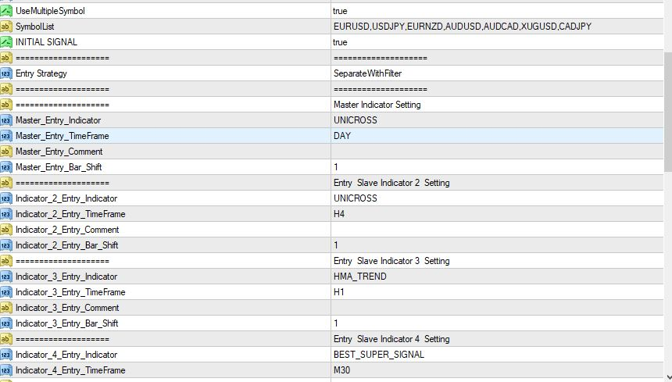

The Master Indicator Here is Unicross 1 Day let me use eurcad I daY CHART TO EXPLAIN

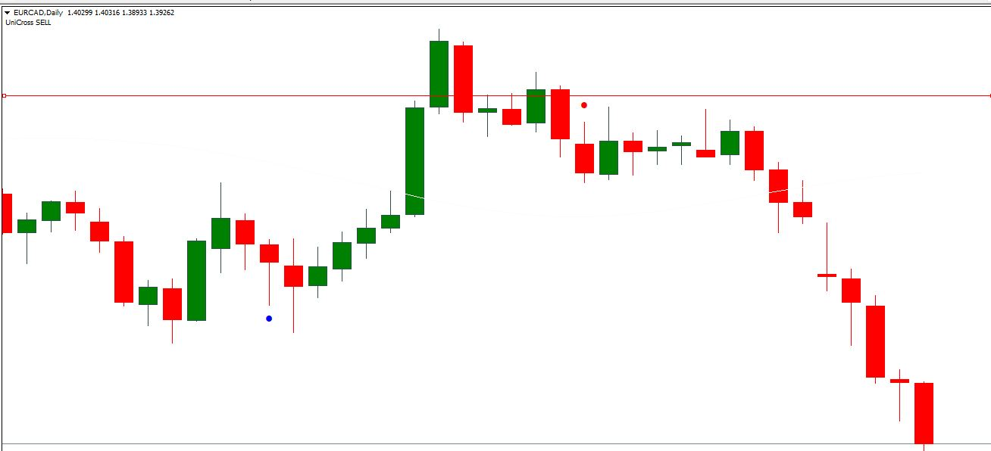

Here is EURCAD the UNICROSS is Sell
so from these setting
Indicator menu 2 , 3 and 4 will generate sell signal at different Time and possibly different date at different time
EA will Open when Unicross on H4, HMA H1, BEAST 30M generate sell trade
There is no waiting for each other but only sell trade will be open if buy signal is realeased no trade will be open \
Any indicator can be selected as master or as slave and at any Time Frame

others sample are given here
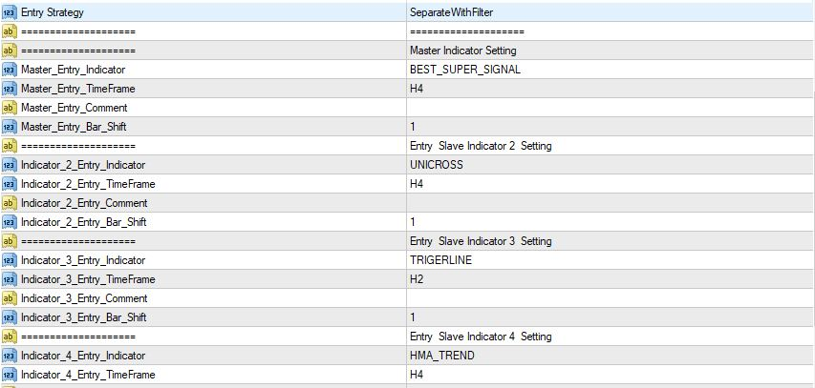

Please Note we can aslo use 2 menu only rule remain but master must be use as well
but other menu must be set off
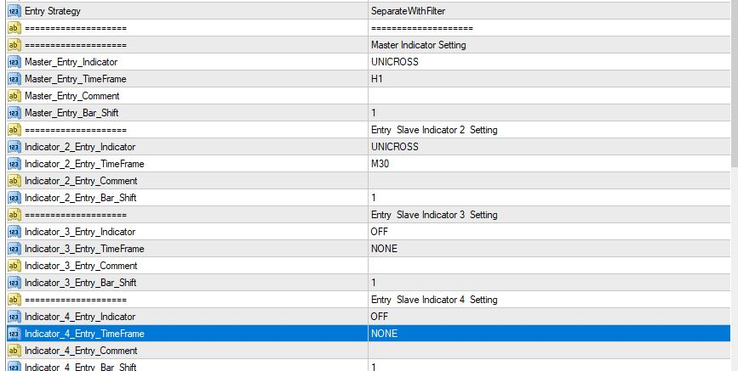

JOINT
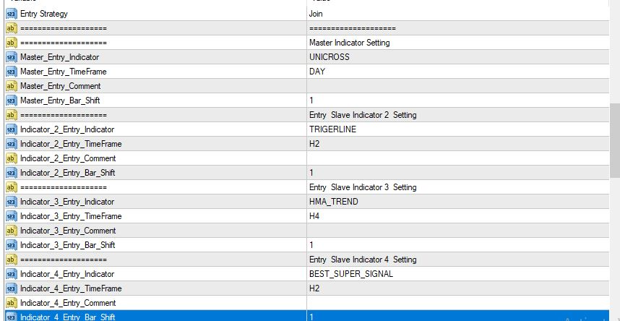

HERE EA WILL OPEN WHEN ALL SELECTED INDICATOR AGREE ON SAME SIGNAL UNLIKE SEPARATE ALL MUST WAIT AND AGREE AND PLACE TRADE
PLEASE NOTE WE CAN
USE MINIMUM OF TWO INDICATORS AND MAXIMUM OF 4 INDICATORS TO AGREE
ANY INDICATPRS CAN BE SELECTED ON ANY TIME FRAME

AUTO STO LOSS
